Sim results
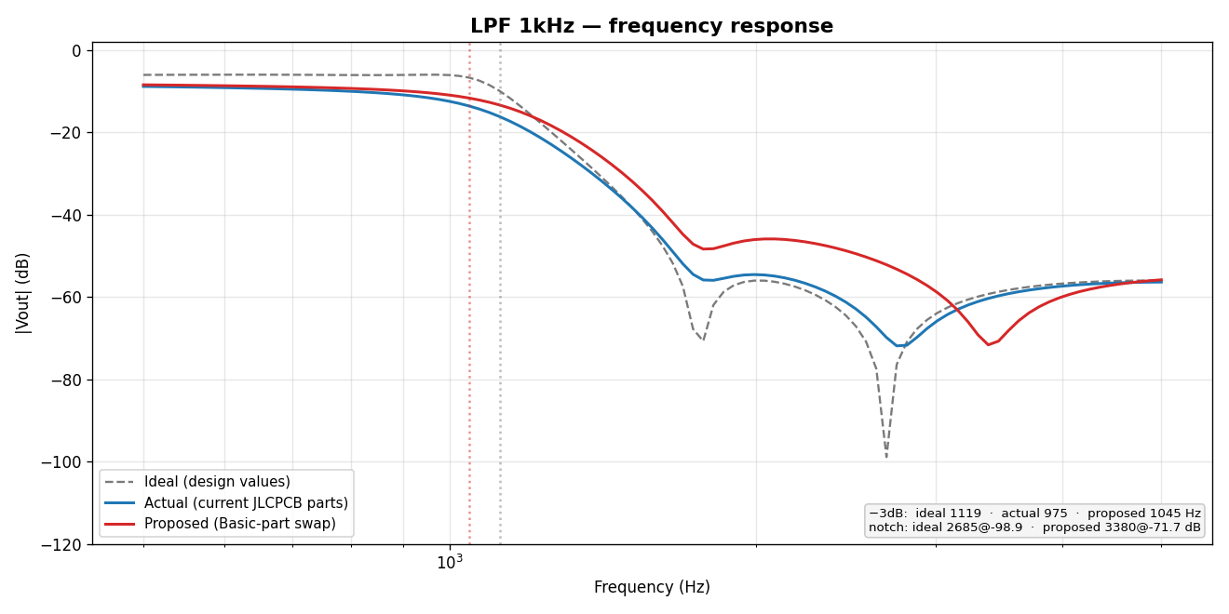
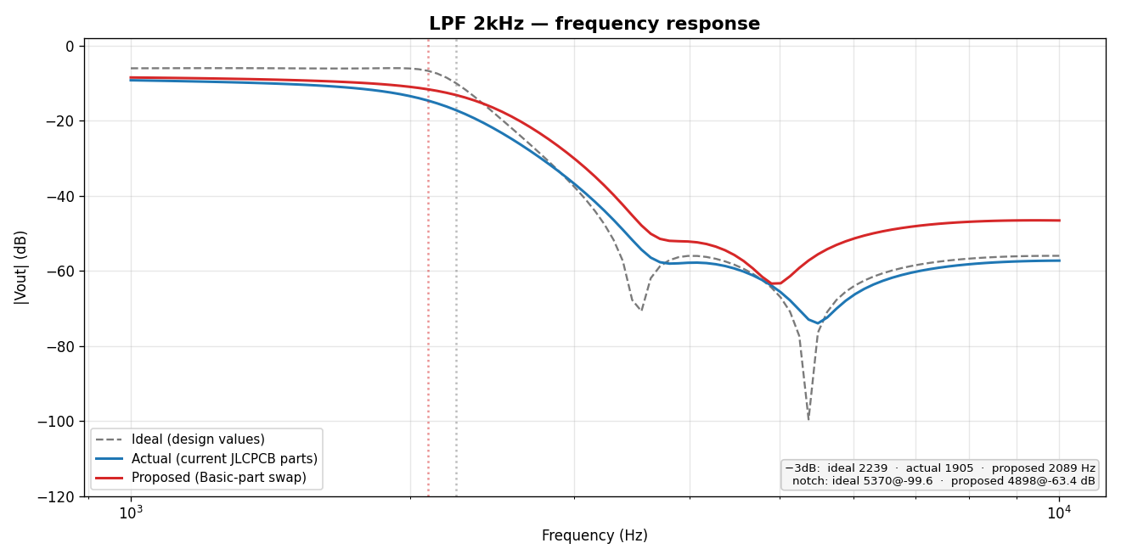
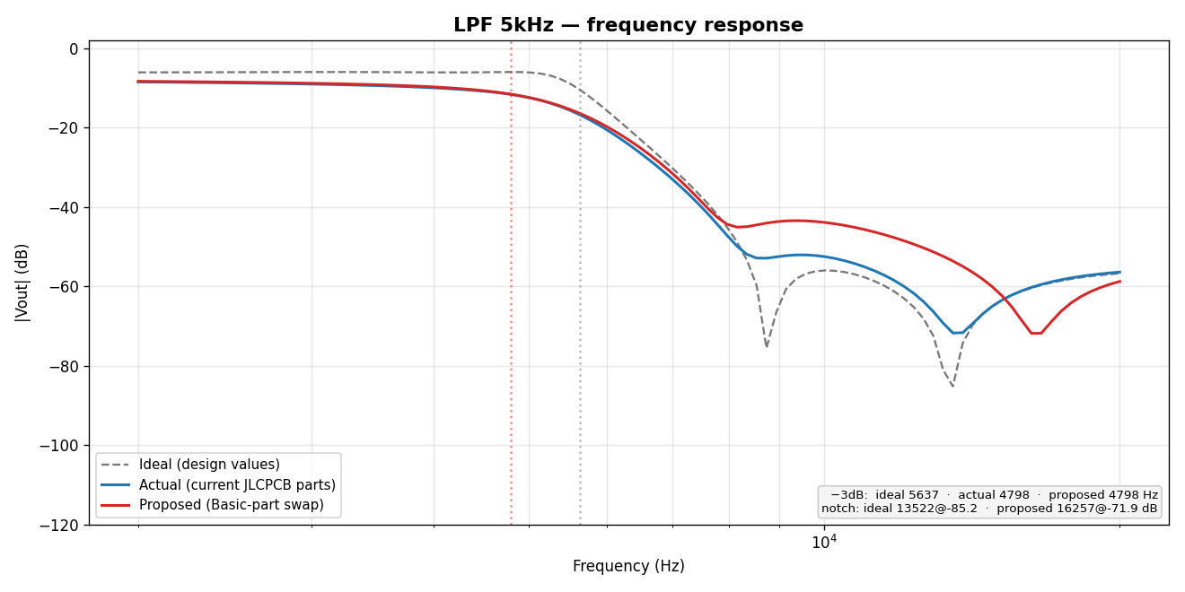
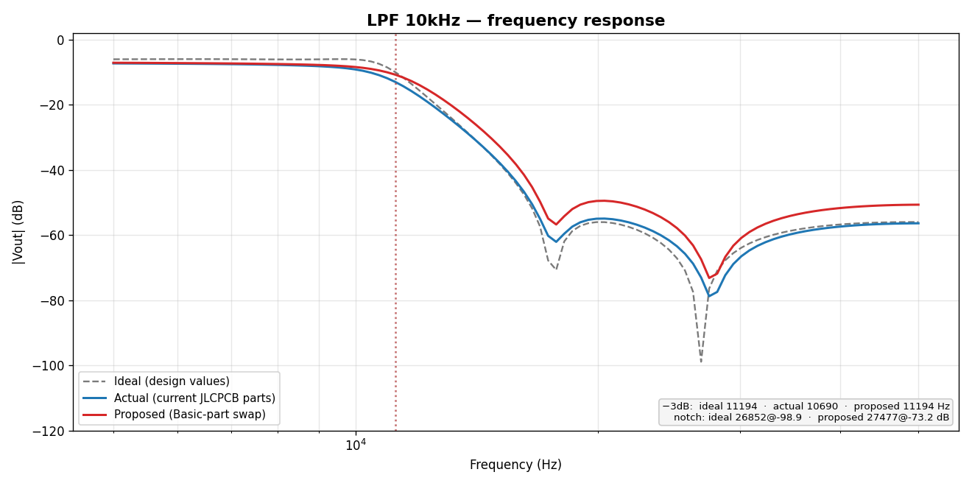
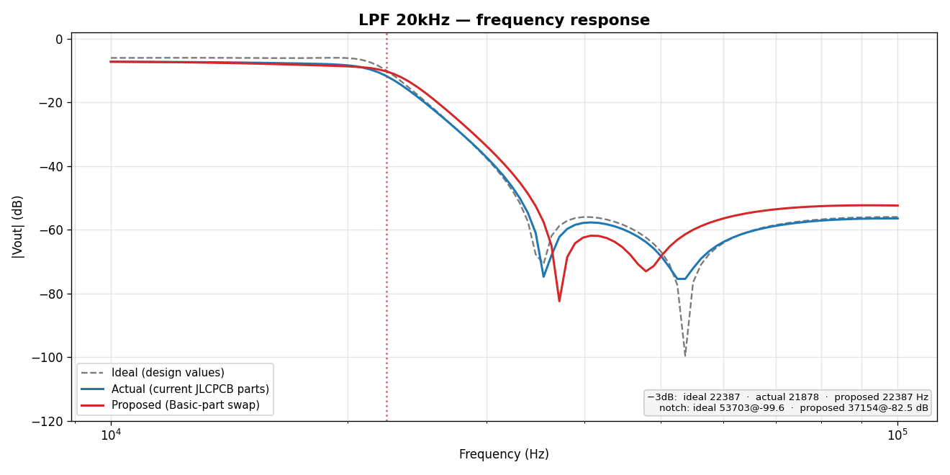
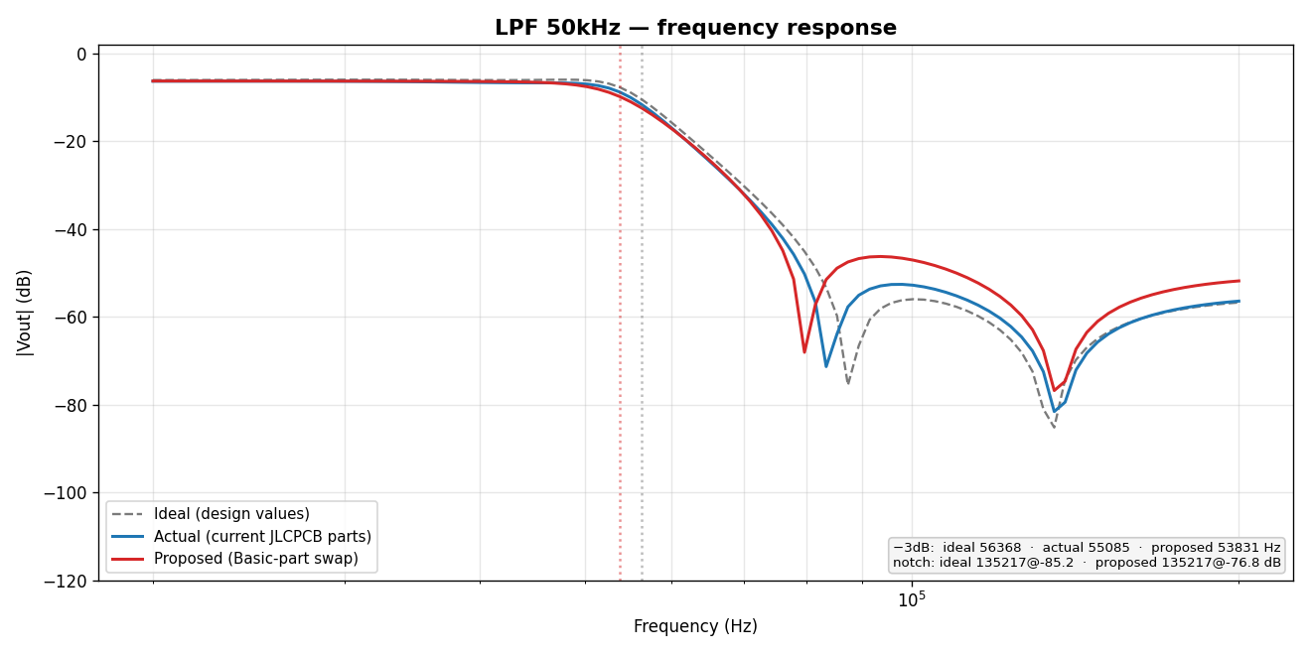
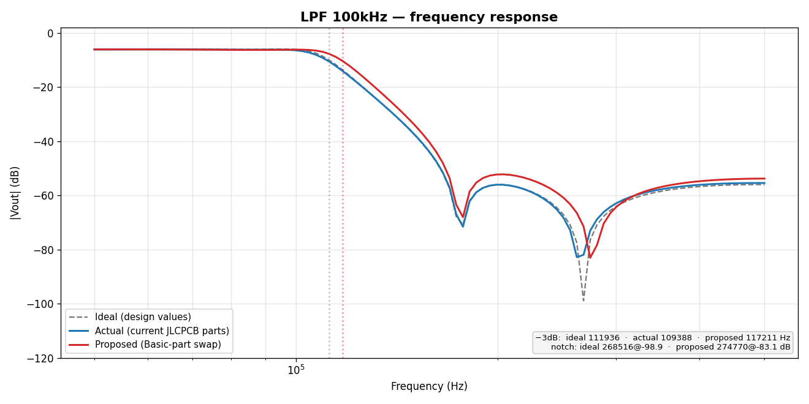
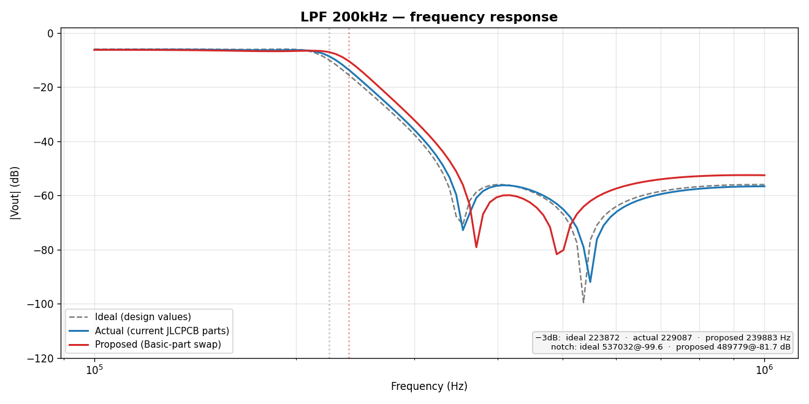
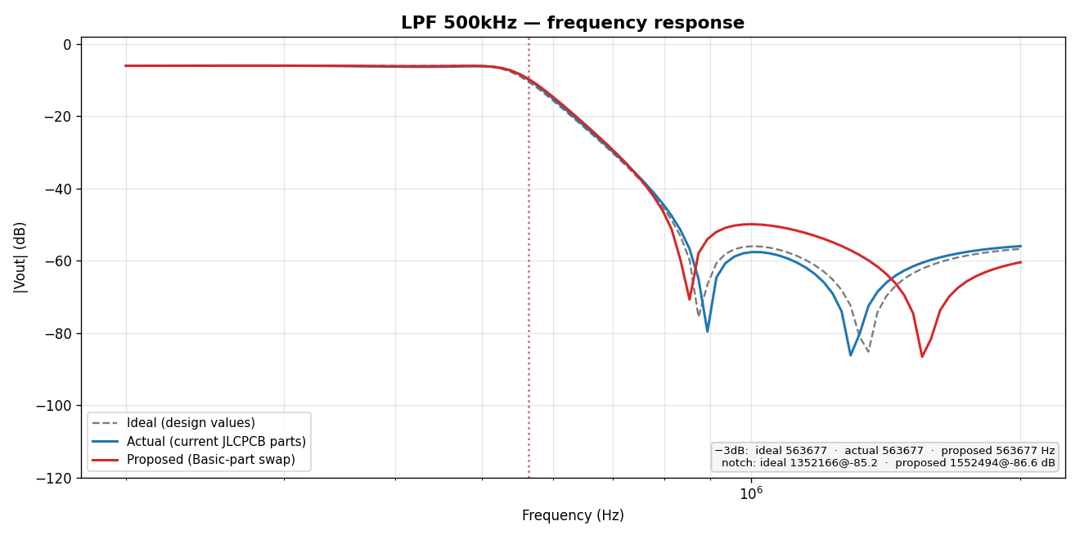
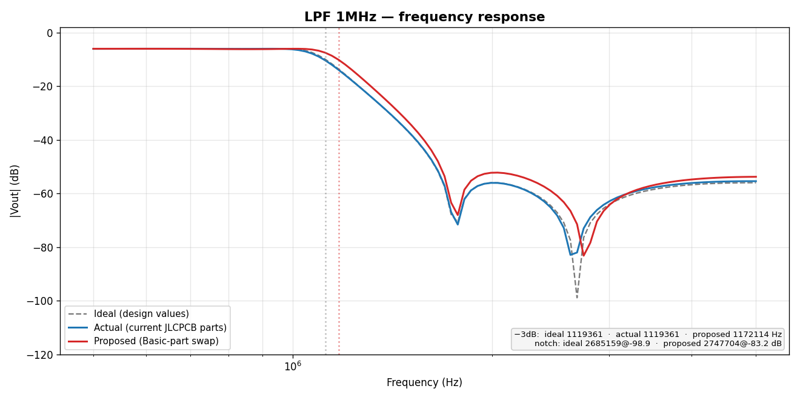
LTSpice frequency-response — Ideal (design) vs Actual (current parts) vs Proposed (Basic-part BOM)
−3 dB cutoff & elliptic-notch frequency per config, with % shift of the Proposed BOM vs the Ideal design. Δ≥15% (notch) highlighted — those filters are meaningfully detuned and should be re-checked. Response plots embedded below.

Board | fc Ideal | fc Actual | fc Proposed | Δfc Prop vs Ideal | Notch Ideal | Notch Proposed | ΔNotch Prop vs Ideal | Notch depth Ideal (dB) | Notch depth Proposed (dB) | Flag
1kHz | 1.119 kHz | 974.9 Hz | 1.045 kHz | -6.7% | 2.685 kHz | 3.38 kHz | 25.9% | -98.9 | -71.7 | re-check
2kHz | 2.239 kHz | 1.905 kHz | 2.089 kHz | -6.7% | 5.37 kHz | 4.898 kHz | -8.8% | -99.6 | -63.4 | ok
5kHz | 5.637 kHz | 4.798 kHz | 4.798 kHz | -14.9% | 13.52 kHz | 16.26 kHz | 20.2% | -85.2 | -71.9 | re-check
10kHz | 11.19 kHz | 10.69 kHz | 11.19 kHz | 0.0% | 26.85 kHz | 27.48 kHz | 2.3% | -98.9 | -73.2 | ok
20kHz | 22.39 kHz | 21.88 kHz | 22.39 kHz | 0.0% | 53.7 kHz | 37.15 kHz | -30.8% | -99.6 | -82.5 | re-check
50kHz | 56.37 kHz | 55.08 kHz | 53.83 kHz | -4.5% | 135.2 kHz | 135.2 kHz | 0.0% | -85.2 | -76.8 | ok
100kHz | 111.9 kHz | 109.4 kHz | 117.2 kHz | 4.7% | 268.5 kHz | 274.8 kHz | 2.3% | -98.9 | -83.1 | ok
200kHz | 223.9 kHz | 229.1 kHz | 239.9 kHz | 7.2% | 537 kHz | 489.8 kHz | -8.8% | -99.6 | -81.7 | ok
500kHz | 563.7 kHz | 563.7 kHz | 563.7 kHz | 0.0% | 1.352 MHz | 1.552 MHz | 14.8% | -85.2 | -86.6 | ok
1MHz | 1.119 MHz | 1.119 MHz | 1.172 MHz | 4.7% | 2.685 MHz | 2.748 MHz | 2.3% | -98.9 | -83.2 | ok

Frequency-response plots (Ideal = grey dashed, Actual = blue, Proposed-Basic = red):

